Correlation Matrices
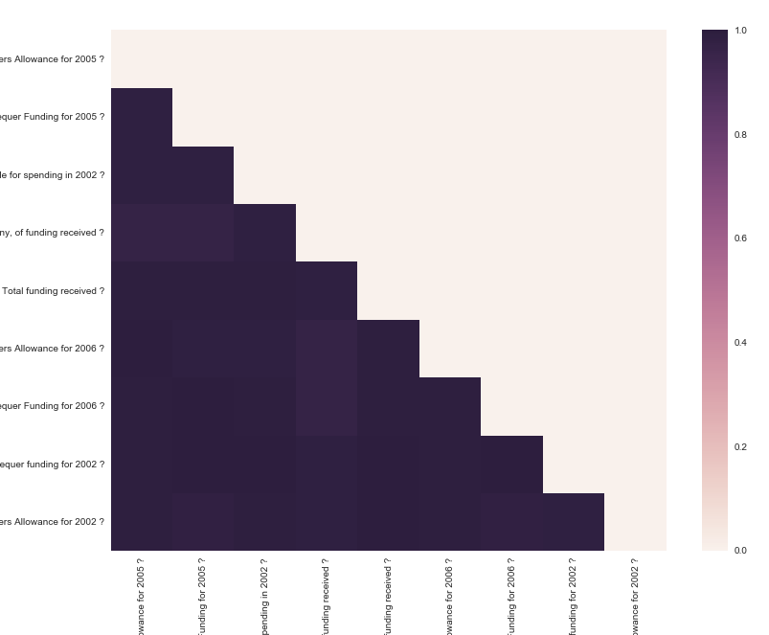
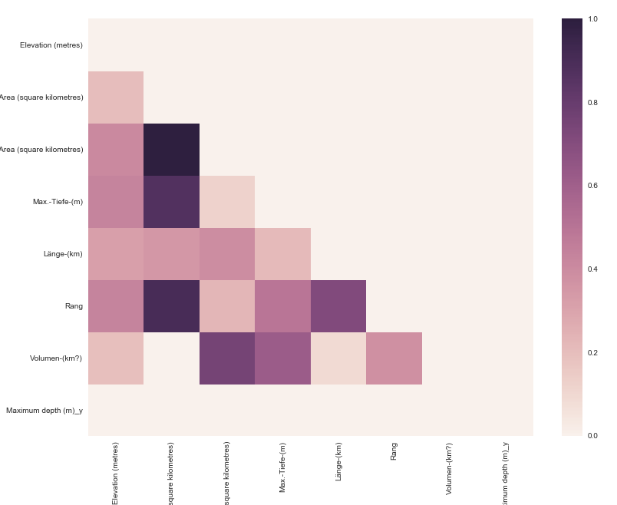
 | Airports |  | Currencies | Lakes |  | Animals
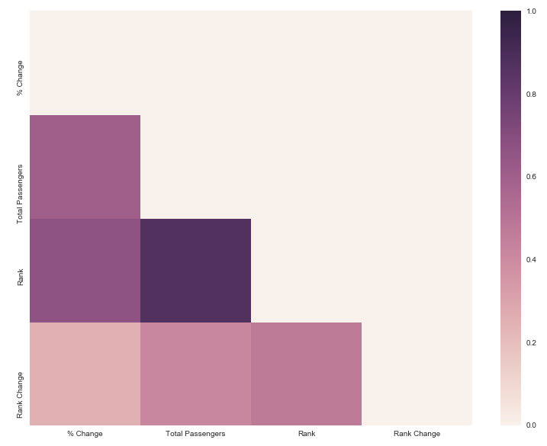

Keine Numerische Variablen
Keine Numerische Variablen

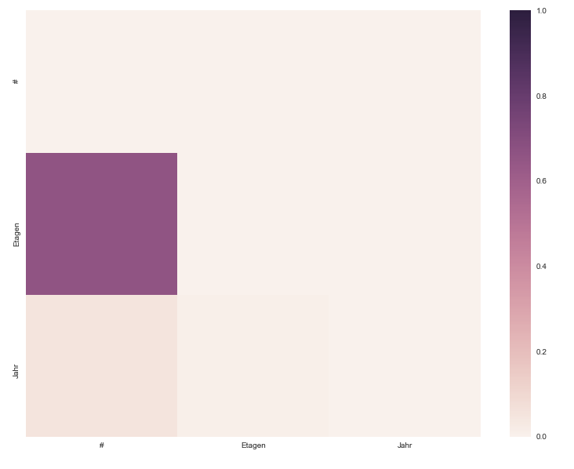
 | Sky Scrapers | Roman Emperors |  | Hospitals |  | Journals
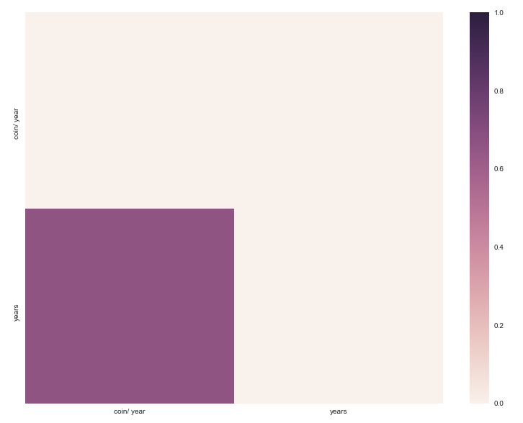
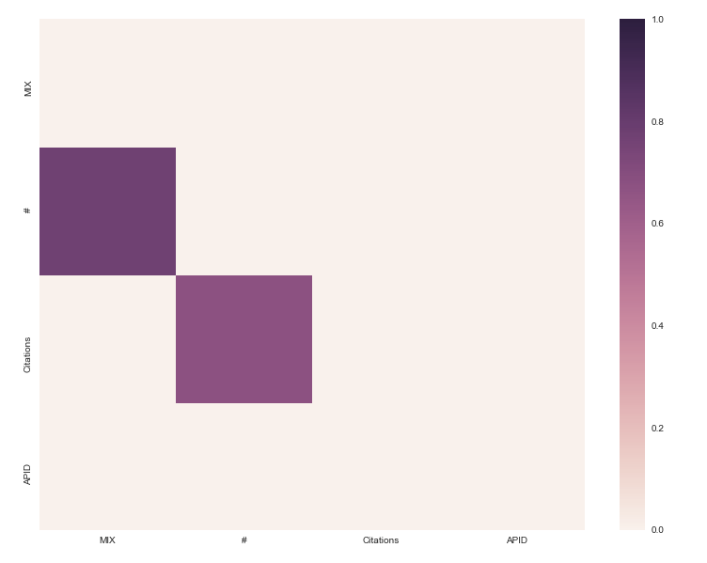

Keine Numerische Variablen

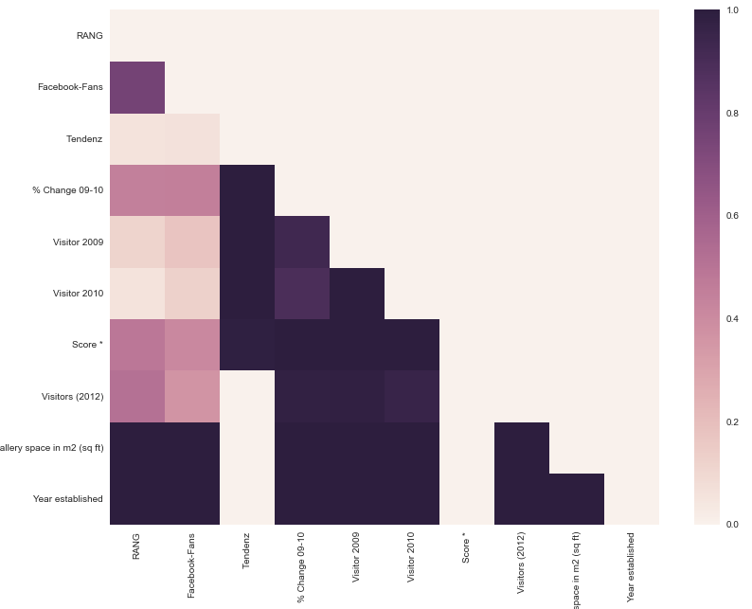
 | Museums |  | Mountains | Airlines | American Mountains
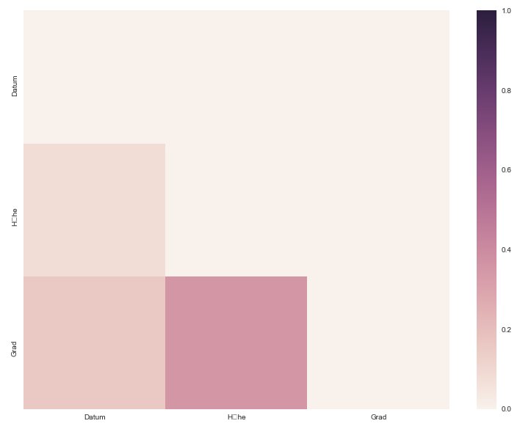
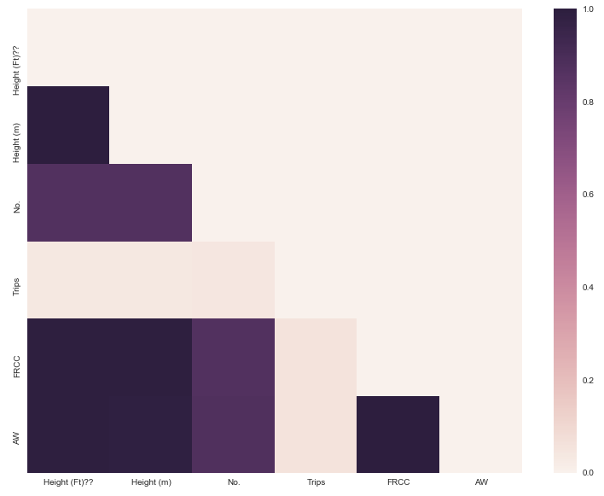

Keine Numerische Variablen

Irish Political Parties

